dashboard


SALES ANALYSIS DASHBOARD

1000
TOTAL ORDERS
₹ 35,20,984.00
TOTAL REVENUE
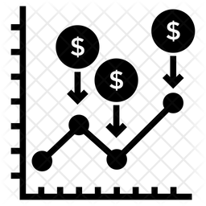
5.53
AVERAGE

₹ 3,520.98
AVG SPENT BY CUSTOMERS


REVENUE BY HOUR (ORDER TIME)
 | Total
23 | ₹ 168,511.00
22 | ₹ 125,912.00
21 | ₹ 155,466.00
20 | ₹ 186,426.00
19 | ₹ 185,771.00
18 | ₹ 173,118.00
17 | ₹ 155,373.00
16 | ₹ 128,797.00
15 | ₹ 163,586.00
14 | ₹ 126,406.00
13 | ₹ 152,340.00
12 | ₹ 162,394.00
11 | ₹ 130,287.00
10 | ₹ 94,985.00
9 | ₹ 153,678.00
8 | ₹ 133,617.00
7 | ₹ 147,749.00
6 | ₹ 177,211.00
5 | ₹ 156,198.00
4 | ₹ 114,700.00
3 | ₹ 146,810.00
2 | ₹ 152,940.00
1 | ₹ 129,309.00
0 | ₹ 99,400.00
REVENUE BY MONTH
 | Total
January | ₹ 95,468.00
February | ₹ 704,509.00
March | ₹ 511,823.00
April | ₹ 140,393.00
May | ₹ 150,346.00
June | ₹ 157,913.00
July | ₹ 135,826.00
August | ₹ 737,389.00
September | ₹ 136,938.00
October | ₹ 151,619.00
November | ₹ 449,169.00
December | ₹ 149,591.00
REVENUE BY OCCASSION
 | Total
All Occasions | ₹ 586,176.00
Anniversary | ₹ 674,634.00
Birthday | ₹ 408,194.00
Diwali | ₹ 313,783.00
Holi | ₹ 574,682.00
Raksha Bandhan | ₹ 631,585.00
Valentine's Day | ₹ 331,930.00

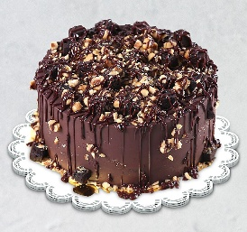
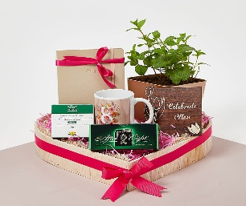

REVENUE BY DAYS
 | Total
Friday | ₹ 475,447.00
Monday | ₹ 461,670.00
Saturday | ₹ 444,960.00
Sunday | ₹ 628,138.00
Thursday | ₹ 418,354.00
Tuesday | ₹ 677,223.00
Wednesday | ₹ 415,192.00
TOP 5 PRODUCTS BY CATEGORY
 | Total
Cake | 329862
Colors | 1005645
Mugs | 201151
Plants | 212281
Raksha Bandhan | 297372
Soft Toys | 740831
Sweets | 733842
TOP 10 CITIES BY ORDER
 | Total
Bhatpara | 18
Bidhannagar | 21
Bilaspur | 18
Dhanbad | 28
Dibrugarh | 21
Guntakal | 20
Haridwar | 24
Imphal | 29
Kavali | 27
North Dumdum | 19

